Sheet2
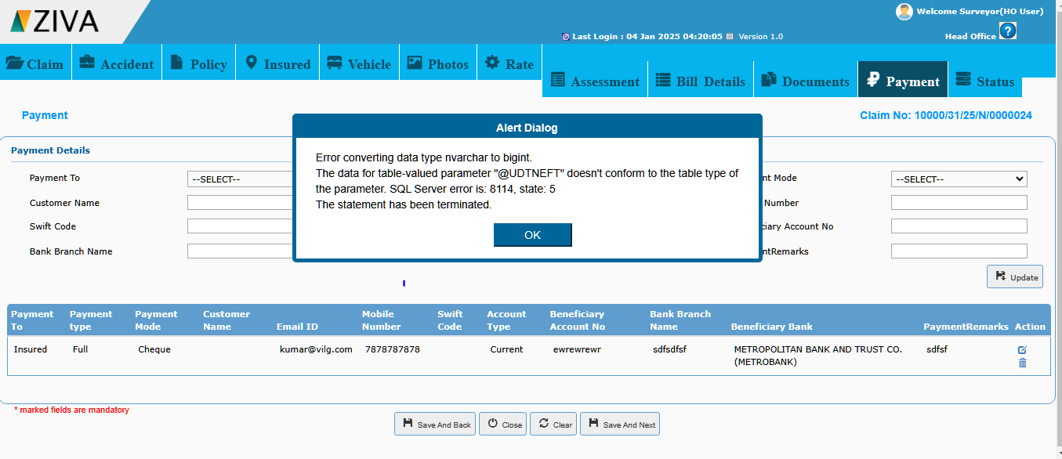
S. No | Issuess | Screen Shots
1 | Delete the added payment record , and click save & next button error occurs

